1. Title Page
[Instacart Grocery Basket Analysis]

Project Name: Instacart Grocery Basket Analysis
Date: May 2025
Analyst Name: Henry Arkoh Clayman

Contents:
Population Flow
Consistency checks
Wrangling steps
Column derivations
Visualizations
Recommendations

Data Citation: “The Instacart Online Grocery Shopping Dataset 2017”, Accessed from www.instacart.com/datasets/grocery-shopping-2017 via Kaggle on [date].
In this data set, the "prices" column was fabricated for this analysis due to a learning exercise

2. Population Flow
Title page

Population flow

Exclusion flag
Condition: max_order <
Obervations to be removed:
Final total count of order_products_all:

Orders_products_combined
Ords_prods_merged
customer_ords_prods

Total: 3,243,489
Total: 3,243,489
Total 3,243,489

1.The grey boxes in the top row represent the original datasets exactly as they were when downloaded. You should enter the number of rows after importing the data into Jupyter in the Total fields.
2.The second row, shown with coloured boxes, displays the datasets after cleaning operations like removing missing values and duplicates. Record the updated row counts after these steps in the Total fields. This helps visualize how data volume changes during consistency checks.
3.The third row, where arrows are also coloured, shows the datasets after merging. Enter the row counts after merging in the Total fields to reflect the final merged dataset (highlighted in red). Remember, the final dataset should not include any excluded records based on the exclusion flag.

3. Consistency checks
 |  |  |  | Title page
Consistency checks

Dataset | Missing Values | How Missing Values Were Handled | Duplicates
orders | days_since_prior_order column: 206,209 missing values | No action needed, as these represent first orders of the day. | No duplicate records found.
products | 16 missing values in product_name. | Records with missing product names were removed. | 5 duplicate records identified.
orders_products_prior | No missing values detected. | Not applicable. | No duplicate records found.
customers | 11,259 missing values in first_name. | No action taken, as this does not impact the analysis focus. | No duplicate records found.

4. Wrangling steps
 |  |  |  | Title page
Wrangling steps

Columns dropped | Columns renamed | Columns' type changed | Comment/Reason
Df_ords Dataframe
Columns Removed | Columns Renamed | Data Type Changes | Comments/Reason
eval_set |  |  | Not needed for the analysis.
_merge |  |  | Contains redundant information.
 | Surname → Last Name |  | Improved clarity.
 | STATE → State |  | Improved clarity.
 | fam_status → Family Status |  | Improved clarity.
 | income → Income |  | Improved clarity.
 |  | order_id → String | Converted for consistency.
 |  | order number → String | Converted for consistency.

5. Column derivations
 |  |  |  | Title page

Column derivations and aggregations

In this tab you should add tables below that the frequences of flags/label variables that you produced after deriving them. NB: don't do this for continuous variables, only for flags.
Dataset | New Column | Derived From | Condition Applied
orders | first_order | days_since_prior_order | Value is NaN.
ords_prods_merge | price_range | prices | ≤5: 'Low-Range'; >5 & ≤15: 'Mid-Range'; >15: 'High-Range'; otherwise: 'Not enough data'.
ords_prods_merge | busiest_days | orders_day_of_week | 0 or 1: 'Busiest days'; 3 or 4: 'Least busy'; else: 'Regularly busy'.
ords_prods_merge | busiest_period_of_day | order_hour_of_day | Hours 9-16: 'Most orders'; Hours 7-8 & 17-22: 'Average orders'; else: 'Fewest orders'.
ords_prods_merge | loyalty_flag | max_order | >40: 'Loyal customer'; 11-40: 'Regular customer'; ≤10: 'New customer'.
ords_prods_merge | spender_flag | average_spend | <10: 'Low spender'; ≥10: 'High spender'.
ords_prods_merge | Customer_frequency | days_since_prior_order | >20: 'Non-frequent'; 11-20: 'Regular customer'; ≤10: 'Frequent customer'.
ords_prods_cust_merge | Region | State | States grouped by regions.
ords_prods_cust_merge | Customer_Activity | max_order | <5: 'LOW'; ≥5: 'HIGH'.
Updated_df | Age Group | Age | ≤25: 'Youth'; 26-64: 'Adults'; >64: 'Senior'.
Updated_df | Income Group | Income | ≤50,000: 'LOW'; 50,001-150,000: 'MIDDLE'; >150,000: 'HIGH'.
Updated_df | Number of Dependents | dependents_flag | 0: 'No Dependents'; ≥1: 'Has Dependents'.
customer_ords_prods | day_of_week | orders_day_of_week | 0: Saturday 1: Sunday 2: Monday 3: Tuesday 4: Wednesday 5: Thursday 6: Friday

6. Visualizations
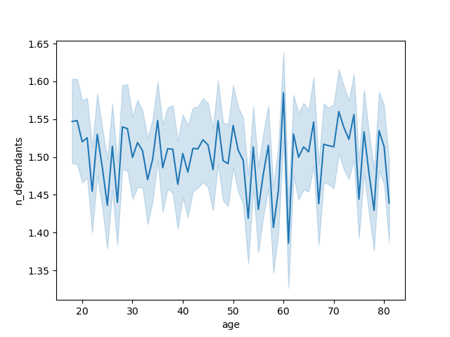
 |  | Title page

Visualisations

In this tab you should include all the visualtions from Exercises 4.9 and 4.10, alongside the questions from the project brief that they answer. Include any commentary on the relationship between different variables.

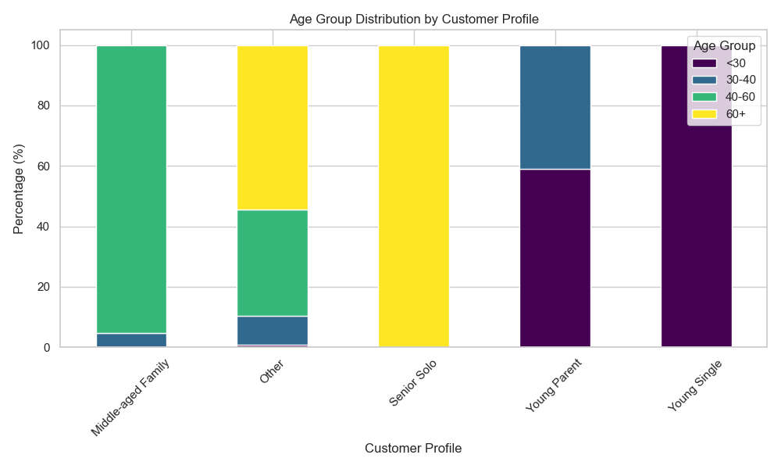 | 1. Age Group Distribution by Customer Profile Insight: The "Young Single" and "Young Parent" profiles dominate the younger age group (<30 years). The "Senior Solo" group is almost exclusively made up of customers aged 60+. Business Implication: Target younger customers with promotions on convenience foods and trendy items. Seniors should be offered pantry essentials and health-focused products.

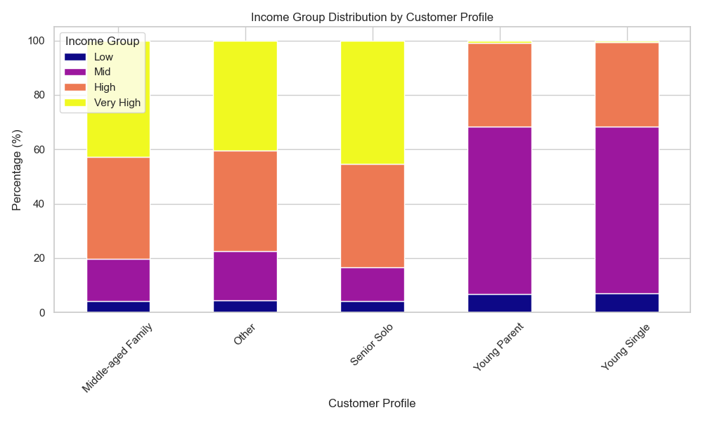 | 2. Income Group Distribution by Customer Profile Insight: "Young Parent" and "Young Single" profiles have a high concentration of low- to mid-income earners. "Middle-aged Family" and "Senior Solo" profiles have more high and very high-income representation. Business Implication: Promote affordable bundles to young families and singles. Upsell premium products to middle-aged and senior customers.

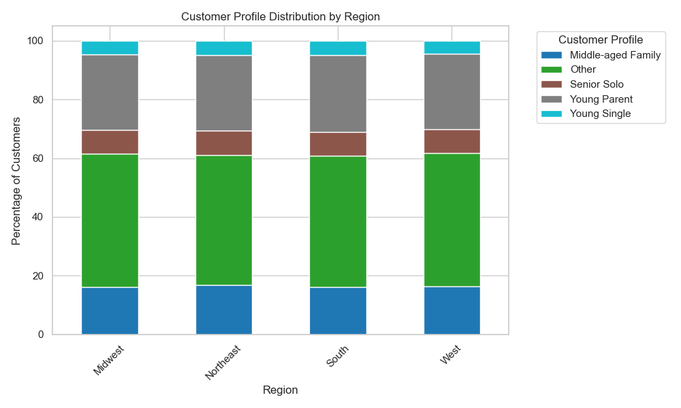 | 3. Customer Profile Distribution by Region Insight: The South has the highest share of "Young Parents," while the Northeast and Midwest show a balanced distribution. Business Implication: Run family-oriented marketing campaigns in the South. Explore loyalty programs targeting diverse customer profiles in other regions.

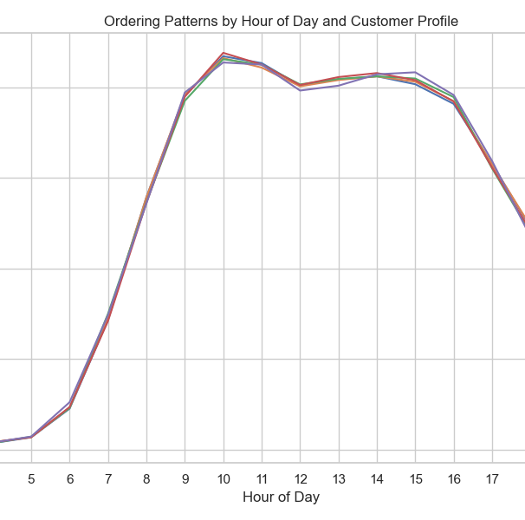 | 4. Ordering Patterns by Hour of Day and Customer Profile Insight: Order volume peaks around 10 AM and remains stable through early afternoon before declining after 5 PM. All customer profiles follow similar hourly patterns. Business Implication: Launch morning promotions or email campaigns by 9 AM to maximize impact. Consider offering late-day discounts to drive additional evening sales.

 | 5. Department Spending by Profile and Region (Heatmap) Insight: The produce department dominates spending across all profiles and regions. Snacks, dairy, and beverages are other high-revenue categories. Business Implication: Promote cross-sell opportunities between produce and snack/beverage departments. Highlight health benefits of produce in campaigns aimed at young families.

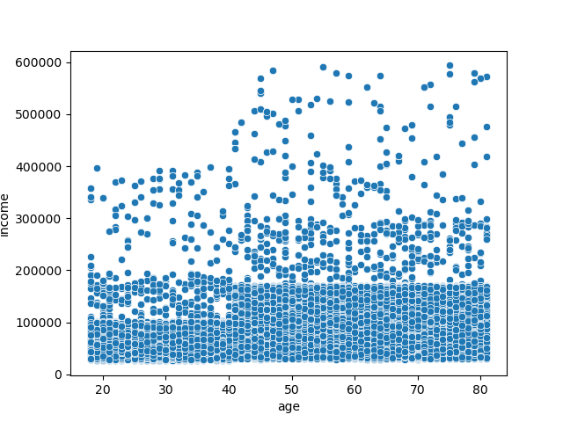 | 6. Age and Spending power(Scatter plot) Insight: This plot validates the earlier conclusion that income is a strong driver of spending behavior, but age moderates how that spending power is exercised. Marketing strategies should therefore be a blend of demographic (age) and economic (income) segmentation to effectively target each group.

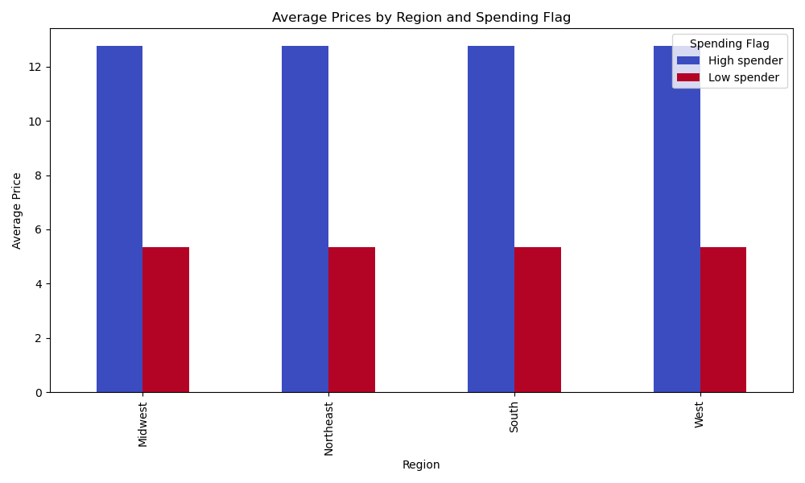 | 7. Average Prices by Region and Spending Flag Insight: High spenders consistently spend around $12.80 per order, while low spenders hover around $5.30 across all regions. Business Implication: Marketing should focus more on spending behavior rather than geographic location. Design premium experiences for high spenders and cost-saving bundles for low spenders.

 | 8. Relationship Between Age and Number of Dependents Insight: The average number of dependents is stable across all age groups (~1.5). Business Implication: Family-targeted marketing is not limited to younger parents; products should appeal to a wider age range of caregivers.

7. Recommendations
 |  |  | Title page

Recommendations

In this tab you should include any recommendations you would made to Instcart in terms of their marketing strategy based on the questions posed in the brief. Every key question has been covered in the Tasks of the Exercises - here you need to add an item - a visualisation or table/crosstable that is showing the answer in the data, acompanied by a comment from you. Please, list the questions below and add the answer underneath.

Question | Answer | Recommendations/Insights
What are the busiest hours of the day? | The busiest hours are between 9 AM and 11 AM, especially during the morning rush | 1.Schedule premium product promotions during peak hours. 2.Offer flash sales or incentives during off-peak hours to balance operational loads.
How can we use a simpler price range grouping to help direct efforts? | Create clear price tiers: Low: <$5 Mid: $5–$10 High: >$10 | 1.Target low spenders with discounts and combo deals in the low and mid-price ranges. 2.Promote exclusive, premium products to high spenders in the higher price range to increase basket size
Which departments have the highest frequency of product orders? | Top departments by order frequency are Produce, Dairy & Eggs, Snacks, and Beverages. | 1.Bundle complementary products from these departments. 2.Promote family-size and bulk packaging to increase sales volume.
What different classifications does the demographic information suggest? Age? Income? Certain types of goods? Family status? | The demographic analysis reveals that customer behavior varies significantly based on age, income, and family status: Age: Younger customers (<30) prioritize convenience, purchasing snacks, beverages, and ready-to-eat products. Middle-aged adults (30–60), typically parents, focus on family essentials like produce, dairy, and household goods. Seniors (60+) tend to prefer healthier, fresh options and personal care products. Income: Low and mid-income customers focus on cost-effective items such as canned goods and dry pantry staples. High-income customers show a stronger preference for premium products like meat, seafood, and alcohol. Family Status: Families (married with dependents) dominate sales, often purchasing in bulk and favoring value packs. Singles purchase smaller quantities, focusing on convenience. | 1.Implement targeted marketing campaigns based on age, income, and family status. 2.Promote convenience and smaller packs to younger singles, particularly through late-night promotions. 3.Offer family-sized packaging, bulk discounts, and bundle deals to families, emphasizing savings and convenience. 4.For high-income customers, highlight premium and exclusive product lines with loyalty incentives. 5.Develop health-focused marketing strategies targeting seniors, promoting fresh produce and personal care items.
Is there a customer profile that makes up a large part of sales? | Yes, married adults with families (Middle-aged Families and Young Parents) dominate sales. | 1.Focus marketing on family-friendly products and value packs. 2.Highlight convenience, savings, and health benefits in promotions targeting this segment.
Are there certain type of products that are more popular than other? | Yes, fresh produce, dairy, snacks, and pantry essentials are consistently popular. | 1.Ensure these categories remain well-stocked. 2.Design targeted campaigns promoting these products with attractive bundles and discounts.

